Sheet1
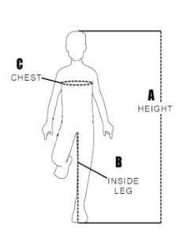
 |  | Frame Selection
Rider's Inside Leg Length | Frame Size | Crank Length in CM's | Minimum/Maximum Rider Height in CM's
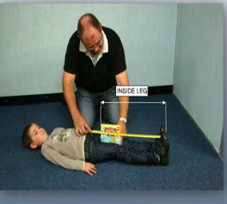
40 cm | 300 | 95 | 85 - 99
45 cm |  |  | 95 - 116
50 cm |  |  | 105 - 132
46 cm |  | 110 | 97 - 119
51 cm |  |  | 107 - 147
46 cm | 350 | 110 | 97 - 112
54cm |  |  | 109 - 127
59 cm |  |  | 118 - 149
56 cm |  | 125 | 112 - 132
61 cm |  |  | 122 - 152
58 cm | 400 | 150 | 116 - 127
62cm |  |  | 124 - 152
68cm |  |  | 136 - 170

A. Measure height wearing shoes B. Measure inside leg wearing shoes. If the rider cannot stand lay them down and with the aid of a book held in the groin measure inside leg from the book spine to the sole of the shoe. C. Measure chest wearing a coat D. For shoe length, measure the overall length of sole.

 |  |  |  |  | Metric Conversion Grid

 | Gear Ratio
 | Type | Ratio |  |  | Inch | Centimeter (cm)
 | Easy | 28T front X 36 Rear
 | Midium | 28T front X 28 Rear |  |  | 0 | 0
 | Hard | 36T front X 36 Rear
 | Very Hard | 36T front X 16 Rear |  |  | Enter inches and grid will convert to centimeters

 | Foot Shoe Size
 | Rider Shoe Length | Foot Shoe Size
 | Up to 17cm | 1
 | 18 - 21cm | 2
 | 21 - 25cm | 3
 | 25 - 30cm | 4

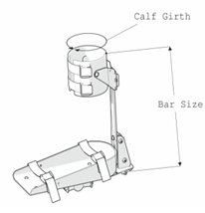
 | Calliper Size
Rider Calf Girth | Cuff Size |  | Rider Height | Bar Size
17 - 22cm | 1 |  | 72 - 92cm | 1
22 - 28cm | 2 |  | 92 - 110cm | 2
28 - 34cm | 3 |  | 110 - 132cm | 3
34 - 42cm | 4 |  | 132 - 155cm | 4

 | Pad Size
User Chest Girth | Gap Between Arms or Pads | Arms Radius | Small Pads | Large Pads
48cm | 15cm |  | 25cm
50cm | 17cm |  | 25cm
55cm | 19cm | 8cm | 25cm | 25cm
60cm | 20cm | 8cm | 25cm | 25cm
65cm | 22cm | 25cm | 25cm | 50cm
70cm | 24cm | 25cm | 50cm | 50cm
75cm | 25cm | 25cm | 50cm | 50cm
80cm | 27cm | 50cm | 50cm | 50cm
85cm | 29cm | 50cm | 50cm | 50cm
90cm | 30cm | 50cm | 50cm | 50cm
95cm | 32cm | 50cm |  | 50cm
100cm | 34cm | 50cm |  | 50cm
105cm | 35cm | 50cm |  | 50cm

Mitt - Gripping Aid Size
Mitt Size | Wrist to Middle Finger
Small | 120 - 140mm
Medium | 135 - 175mm
Large | 175 - 210mm

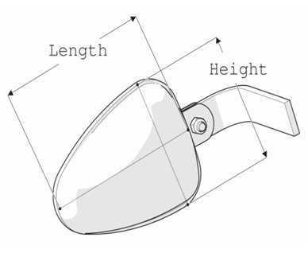
Lateral Pad Size
Pad Size | Height X Length
Mini | 10 X 10cm
Small | 14 X 17cm
Large | 17 X 21Cm

